Questions
Question.1 Option
Explain the difference between implied and histotical volatility.
Answer.1 Option

Question.2 VaR
Explain VaR and list at least two calculation methods.

Question.3 Option*
Client implemented Black&Scholes model for vanilla option pricing in their excel spreadsheet based on the formulas in the screenshots, (assuming zero dividends).
- Implement the model** in python code and validate/test the model for Call and Put options.
test for in the money, at-the-money, out-of-money with attention to unit and end-to-end testing
**Feel free to choose any method for model implementation, either with forward price or with spot price or with put-call parity

Answer.2 VaR

Question.4 VaR*
Bank has FX portfolio consisting of two currencies. Risk manager implemented historical VaR methodology as defined in internal policies (1 day with .99 confidence level) for the FX portfolio in excel, assuming no correlation between these currencies.
- implement the VaR calculation in python to revert one day VaR value
One year of historical data (market rate) for the currencies and current/spot portfolio value is known.

*For the Python exercises please provide solutions either with jupyter notebook ot github link.

Option
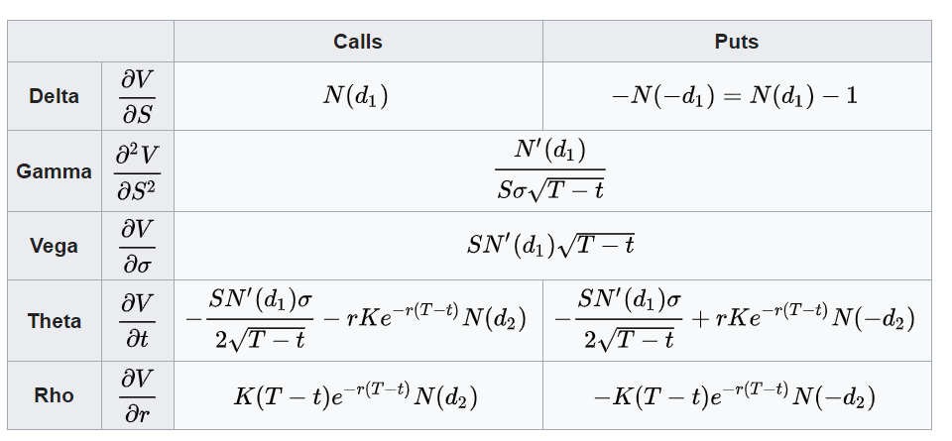
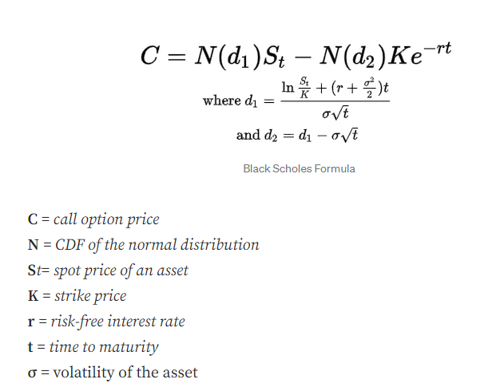
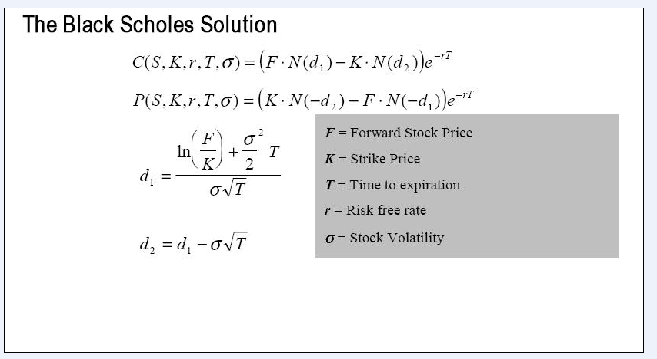
 | European Vanilla Call | base case
 | Trade date | 2022-11-23 |  | with spot price |  | with forward price
 | Expiry | 2023-05-10
 | S0 | 19
 | K (strike) | 17
 | Time to Expiry | 0.460
 | r | 0.5%
 | r_cont | 0.5%
 | Div yield (cont) | 0%
 | Vol | 0.3

 | F=forward stock price | 19.04367

with forward price | d1 | 0.65953
 | d2 | 0.45600

with spot price | d1 | 0.65953
 | d2 | 0.45600

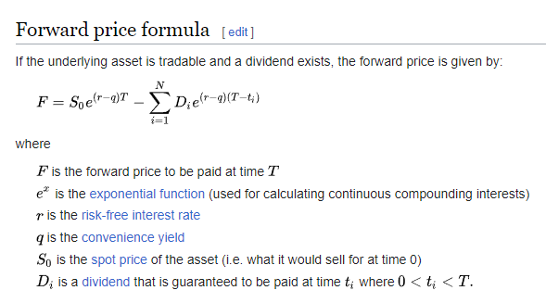
with forward price | Call | 2.70
with spot price | Call | 2.70

with forward price | Put | 0.66 | premium
with put-call parity | Put | 0.66

 |  |  |  |  | put- call parity

 |  |  |  |  | Greeks

VaR Methodolgy
